Emissions E.coli calc
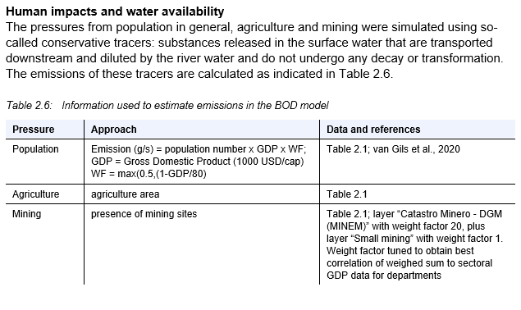
Jos van Gils (2020, 2021) |  | Emissions for urban/rural
Scenario | Year | Location | Sanitation type (WB) | Population number total (gridcell) | E.coli emission per capita | % of population (WASH data) | Population count using | Fraction remaining (Jos van Gils) | E.coli Emission per sanitation type | GDP/cap | GDP in 1000 USD/c | WF (Management | Emissions per type | Emissions per person | Emission per gridcell | Emission (g/s) = population number x GDP x WF; GDP = Gross Domestic Product (1000 USD/cap) WF = max(0.5,(1-GDP/80)
Mozambique | 2022 | Urban | Open defecation | 12.1319 | 1000000000 | 5 | 0.606595 | 1 | 1000000000 | 623 | 0.623 | 0.9922125 | 601871141.44 | 992212500
Mozambique | 2022 | Urban | Basic sanitation | 12.1319 | 1000000000 | 34 | 4.124846 | 0.7 | 700000000 | 623 | 0.623 | 0.9922125 | 2864906633.2 | 694548750
Mozambique | 2022 | Urban | Advanced sanitation | 12.1319 | 1000000000 | 61 | 7.400459 | 0.25 | 250000000 | 623 | 0.623 | 0.9922125 | 1835706981.4 | 248053125 | 5302484756.1
Mozambique | 2022 | Urban | Safe sanitation | 12.1319 | 1000000000 | 0 | 0 | 0.1 | 250000000 | 623 | 0.623 | 0.9922125 | 0 | 0
Mozambique | 2022 | Rural | Open defecation | 12.1319 | 1000000000 | 28 | 3.396932 | 1 | 1000000000 | 623 | 0.623 | 0.9922125 | 3370478392.1 | 992212500
Mozambique | 2022 | Rural | Basic sanitation | 12.1319 | 1000000000 | 49 | 5.944631 | 0.3 | 300000000 | 623 | 0.623 | 0.9922125 | 1769501155.8 | 297663750
Mozambique | 2022 | Rural | Advanced sanitation | 12.1319 | 1000000000 | 2 | 0.242638 | 0.25 | 250000000 | 623 | 0.623 | 0.9922125 | 60187114.144 | 248053125 | 1537929375
Mozambique | 2022 | Rural | Safe sanitation | 12.1319 | 1000000000 | 21 | 2.547699 | 0.1 | 100000000 | 623 | 0.623 | 0.9922125 | 252785879.4 | 99221250
 |  |  |  |  |  |  |  |  |  |  |  |  |  | 992212500

$$E.coli Floodwater=\frac{Population density ∗E.coli emissions per\frac{capita}{day} ∗Fraction remaining ∗WF }{Floodwater depth }$$

 |  |  |  |  |  |  |  |  |  |  |  |  | 5302506774 | Excel
 |  |  |  |  |  |  |  |  |  |  |  |  | 5302484756.1 | Model
 |  |  |  |  |  |  |  |  |  |  |  |  | 22017.935625 | 0.00041523635072 | difference between excel and model

Land Use Data
GHS – SMOD dataset 2025
https://jeodpp.jrc.ec.europa.eu/ftp/jrc-opendata/GHSL/GHS_SMOD_GLOBE_R2023A/GHS_SMOD_E2025_GLOBE_R2023A_4326_30ss/V2-0/
https://data.jrc.ec.europa.eu/dataset/a0df7a6f-49de-46ea-9bde-563437a6e2ba
EPSG:4326 - WGS 84
•Format: Raster grids (TIF)
Resolution: 1 km²
•Temporal Coverage: from 1975 to 2030 in 5-year intervals
Attributes: Classifies each grid cell based on population density and built-up area proportion (see on right)
•Use Cases: Suitable for large-scale analyses of settlement patterns, urbanization trends, and spatial distribution of human populations over time.

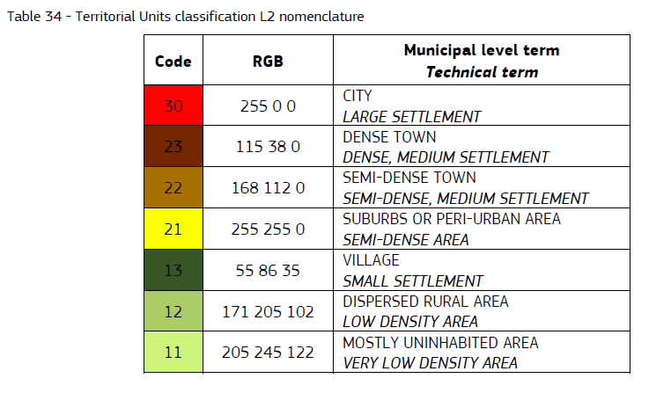
Re-catgorized in rural and urban

Band | Category | Former Code | Urban_rural_classification.tif
1 | Urban | 30, 23 ,22, 21
2 | Rural | 13, 12, 11

Link removal land use
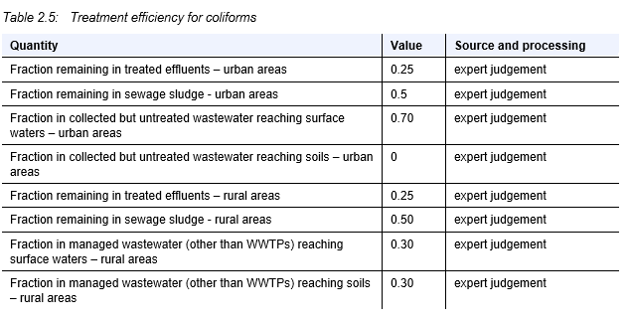
 |  | Fraction remaining
Table 2.5 | x | treated | collected/untreated | untreated
Model | Safe | Advanced | Basic | None
Urban | 0.1 | 0.25 | 0.7 | 1
Rural | 0.1 | 0.25 | 0.3 | 1

 |  |  |  |  | Loos et al. (2021) Peru Mining Emissions Report

